Sheet1
Critical Path Method Exercise | Accredited Lean Six Sigma Green Belt - Six Sigma Academy Amsterdam
Exercise completed by Amelia Begemann on 30 June 2023
The critical path method is used to schedule activities for projects. It identifies a critical path, which is the sequence of activities with zero buffer, i.e., if delays are zero for this sequence of activities, the project can be completed in the shortest period of time. The most experienced personnel should be placed on the critical path. The critical path should also be constantly monitored.

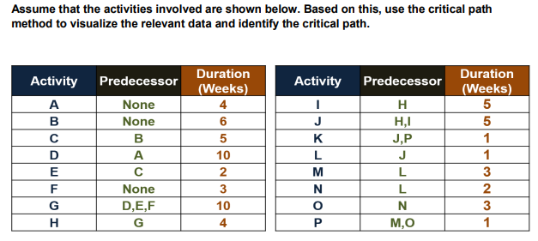
Question (Six Sigma Academy Amsterdam, 2021) |  |  |  |  |  |  |  |  |  |  |  |  |  |  |  |  |  |  | Supplementary template
 |  |  |  |  |  |  |  |  |  |  |  |  |  |  |  |  |  |  | In order to reduce the time necessary to complete the exercise a template block was made.
 |  |  |  |  |  |  |  |  |  |  |  |  |  |  |  |  |  |  | *Template was not provided in the course resources, but created by Amelia Begemann.
EST
D
EFT
 |  |  |  |  |  |  |  |  |  |  |  |  |  |  |  |  |  |  | How to use it:
 |  |  |  |  |  |  |  |  |  |  |  |  |  |  |  |  |  |  | 1. Copy and paste the template block to designated place.
 |  |  |  |  |  |  |  |  |  |  |  |  |  |  |  |  |  |  | 2. Change the letter to the designated activity |  |  |  |  |  |  |  |  |  |  |  |  |  |  |  | 0
 |  |  |  |  |  |  |  |  |  |  |  |  |  |  |  |  |  |  | 3. Enter Earliest Start Time (EST) |  |  |  |  |  |  |  |  |  |  |  |  |  |  | Letter
 |  |  |  |  |  |  |  |  |  |  |  |  |  |  |  |  |  |  |  | 3.1 If the block has no predecessor: Enter 0 |  |  |  |  |  |  |  |  |  |  |  |  | 0 | 0
 |  |  |  |  |  |  |  |  |  |  |  |  |  |  |  |  |  |  |  | 3.2 Else: "="predecessors Earliest Finish Time (EFT)
EST
Buffer
LFT
 |  |  |  |  |  |  |  |  |  |  |  |  |  |  |  |  |  |  | 4. Enter the Duration (D) as specified in exercise.
 |  |  |  |  |  |  |  |  |  |  |  |  |  |  |  |  |  |  | 5. Repeat until you have completed the full path
 |  |  |  |  |  |  |  |  |  |  |  |  |  |  |  |  |  |  | 6. The last block's Latest Finish Time (LFT) = The last block's EFT
 |  |  |  |  |  |  |  |  |  |  |  |  |  |  |  |  |  |  | 7. Work backwards and "=" Predecessors the Latest Starting Time (LST) to the Follower block with the larger LFT.

 |  |  |  |  |  |  |  |  |  |  |  |  |  |  |  |  |  |  | The blocks use conditional formatting to highlight the critical path.
Answer

 | 0 | 4 | 4 | 4 | 10 | 14
 |  | A |  |  | D
 | 0 | 0 | 4 | 4 | 0 | 14

 | 0 | 6 | 6 | 6 | 5 | 11 | 11 | 2 | 13 | 14 | 10 | 24 | 24 | 4 | 28 | 28 | 5 | 33 |  | 33 | 5 | 38 |  |  |  |  |  |  |  |  |  |  |  |  |  | 45 | 1 | 46
 |  | B |  |  | C |  |  | E |  |  | G |  |  | H |  |  | I |  |  |  | J |  |  |  |  |  |  |  |  |  |  |  |  |  |  |  | K
 | 1 | 1 | 7 | 7 | 1 | 12 | 12 | 1 | 14 | 14 | 0 | 24 | 24 | 0 | 28 | 28 | 0 | 33 |  | 33 | 0 | 38 |  |  |  |  |  |  |  |  |  |  |  |  |  | 45 | 0 | 46

 | 0 | 3 | 3 |  |  |  |  |  |  |  |  |  |  |  |  |  |  |  |  |  |  |  |  |  |  | 39 | 3 | 42 |  |  |  | 44 | 1 | 45
 |  | F |  |  |  |  |  |  |  |  |  |  |  |  |  |  |  |  |  |  |  |  |  |  |  |  | M |  |  |  |  |  | P
 | 11 | 11 | 14 |  |  |  |  |  |  |  |  |  |  |  |  |  |  |  |  |  |  |  |  |  |  | 41 | 2 | 44 |  |  |  | 44 | 0 | 45

 |  |  |  |  |  |  |  |  |  |  |  |  |  |  |  |  |  |  |  |  |  |  | 38 | 1 | 39 | 39 | 2 | 41 | 41 | 3 | 44
 |  |  |  |  |  |  |  |  |  |  |  |  |  |  |  |  |  |  |  |  |  |  |  | L |  |  | N |  |  | O
 |  |  |  |  |  |  |  |  |  |  |  |  |  |  |  |  |  |  |  |  |  |  | 38 | 0 | 39 | 39 | 0 | 41 | 41 | 0 | 44

